Session Law 2026-41
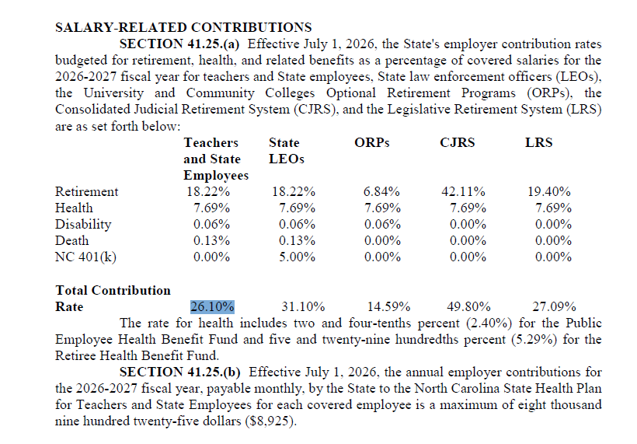
https://www.ncleg.gov/Sessions/2025/Bills/Senate/PDF/S257v8.pdf

